Normalized Removal Rate
Bacterial Strains Normalized Removal Rate
 | Molecular Similarity Results
Hydrogenophaga sp. PBC | 0.5712
Nitrobacter winogradskyi | 0.01152
Nitrosomonas europaea | 0.75
Novosphingobium aromaticivorans | 27.5
Sphingobium yanoikuyae
Trametes versicolor | 80
Acinetobacter junii | 115.2
Pseudomonas psychrophila | 4.2875
Sphingobacterium mizutaii | 6.705

Tanimoto Similarity
Bacterial Strains tanimoto Similarity
Hydrogenophaga sp. PBC | 0.36585365854
Nitrobacter winogradskyi | 0.36585365854
Nitrosomonas europaea | 0.23404255319
Novosphingobium aromaticivorans | 0.4
Sphingobium yanoikuyae | 0.4
Trametes versicolor | 0.4
Acinetobacter junii | 0.225
Pseudomonas psychrophila | 0.225
Sphingobacterium mizutaii | 0.225

Romval Rate vs Tanimoto
Hydrogenophaga sp. PBC | 0.36585365854 | 0.5712
Nitrobacter winogradskyi | 0.36585365854 | 0.01152
Nitrosomonas europaea | 0.23404255319 | 0.75
Novosphingobium aromaticivorans | 0.4 | 27.5
Sphingobium yanoikuyae | 0.4
Trametes versicolor | 0.4 | 80
Acinetobacter junii | 0.225 | 115.2
Pseudomonas psychrophila | 0.225 | 4.2875
Sphingobacterium mizutaii | 0.225 | 6.705

Best Molecular Similarity (BMS)
Molecular Similarity Results
Bacterial Strain | Molecule | IUPAC Name | Tanimoto Similarity | Visualization | Removal Rate mg/L/d
Hydrogenophaga sp. PBC | C02505.mol | 2-Phenylacetamide | 0.36585365854 | 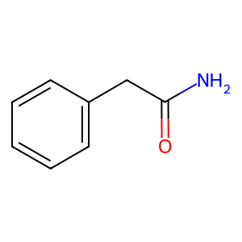 | 0.5712
Nitrobacter winogradskyi | C02505.mol | 2-Phenylacetamide | 0.36585365854 |  | 0.01152
Nitrosomonas europaea | C01179.mol | 4-Hydroxyphenylpyruvate | 0.23404255319 | 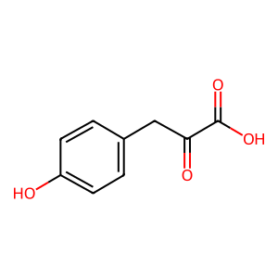 | 0.75
Novosphingobium aromaticivorans | C00082.mol | L-Tyrosine | 0.4 | 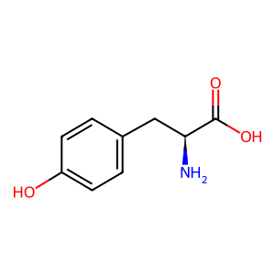 | 27.5
Sphingobium yanoikuyae | C00082.mol | L-Tyrosine | 0.4
Trametes versicolor | C00082.mol | L-Tyrosine | 0.4 |  | 80
Acinetobacter junii | C00568.mol | 4-Aminobenzoate | 0.225 | 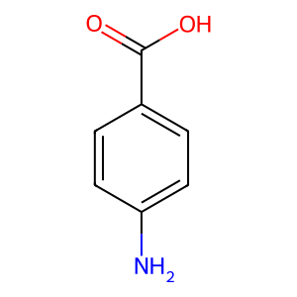 | 115.2
Pseudomonas psychrophila | C00568.mol | 4-Aminobenzoate | 0.225 |  | 4.2875
Sphingobacterium mizutaii | C00568.mol | 4-Aminobenzoate | 0.225 |  | 6.705

R Squared= | 8.8532321419E-06

Removal Rate predictor
 |  |  |  | Molecular Similarity Results (Sorted)
Microbial Strain | Pharmaceutical | Molecule | Tanimoto Similarity | Images
Hydrogenophaga sp. PBC | Atenolol | C02505.mol | 0.36585365854
 | Carbamazepine | C01606.mol | 0.32142857143 | 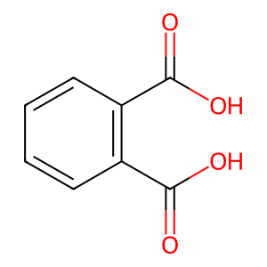
 | Ibuprofen | C00082.mol | 0.4
 | Sulfamethoxazole | C00568.mol | 0.225
Nitrobacter winogradskyi | Atenolol | C02505.mol | 0.36585365854
 | Carbamazepine | C02505.mol | 0.3125
 | Ibuprofen | C00082.mol | 0.4
 | Sulfamethoxazole | C00568.mol | 0.225
Nitrosomonas europaea | Atenolol | C01179.mol | 0.23404255319
 | Carbamazepine | C00108.mol | 0.27272727273 | 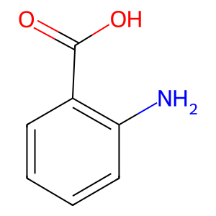
 | Ibuprofen | C00082.mol | 0.4
 | Sulfamethoxazole | C00568.mol | 0.225
Novosphingobium aromaticivorans | Atenolol | C02505.mol | 0.36585365854
 | Carbamazepine | C02505.mol | 0.3125
 | Ibuprofen | C00082.mol | 0.4
 | Sulfamethoxazole | C00568.mol | 0.225
Sphingobium yanoikuyae | Atenolol | C02505.mol | 0.36585365854
 | Carbamazepine | C02505.mol | 0.3125
 | Ibuprofen | C00082.mol | 0.4
 | Sulfamethoxazole | C00568.mol | 0.225
Trametes versicolor | Atenolol | C02505.mol | 0.36585365854
 | Carbamazepine | C02505.mol | 0.3125
 | Ibuprofen | C00082.mol | 0.4
 | Sulfamethoxazole | C00568.mol | 0.225
Acinetobacter junii | Atenolol | C02505.mol | 0.36585365854
 | Carbamazepine | C02505.mol | 0.3125
 | Ibuprofen | C00082.mol | 0.4
 | Sulfamethoxazole | C00568.mol | 0.225
Pseudomonas psychrophila | Atenolol | C02505.mol | 0.36585365854
 | Carbamazepine | C02505.mol | 0.3125
 | Ibuprofen | C00082.mol | 0.4
 | Sulfamethoxazole | C00568.mol | 0.225
Sphingobacterium mizutaii | Atenolol | C02505.mol | 0.36585365854
 | Carbamazepine | C02505.mol | 0.3125
 | Ibuprofen | C00082.mol | 0.4
 | Sulfamethoxazole | C00568.mol | 0.225

